Sheet1
Order Date :
Order nr. :

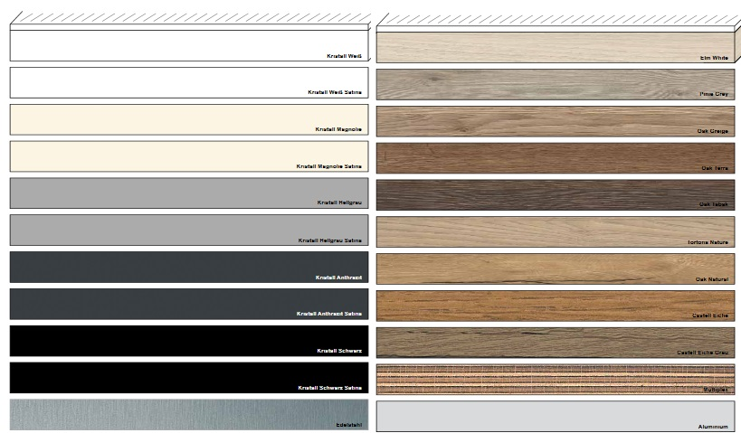
Material decor:
Edge dekor:

Lenght mm | abs (1 or 2 sides) | width mm | abs (1 or 2 sides) | detaill quantity (pcs)

 |  |  |  | 0

INFORMATION
Customer must to write end detail sizes (with abs edge)

Material decor:
Edge dekor:

Lenght mm | abs (1 or 2 sides) | width mm | abs (1 or 2 sides) | detaill quantity (pcs)

 |  |  |  | 0

INFORMATION
Customer must to write end detail sizes (with abs edge)

